Sheet1
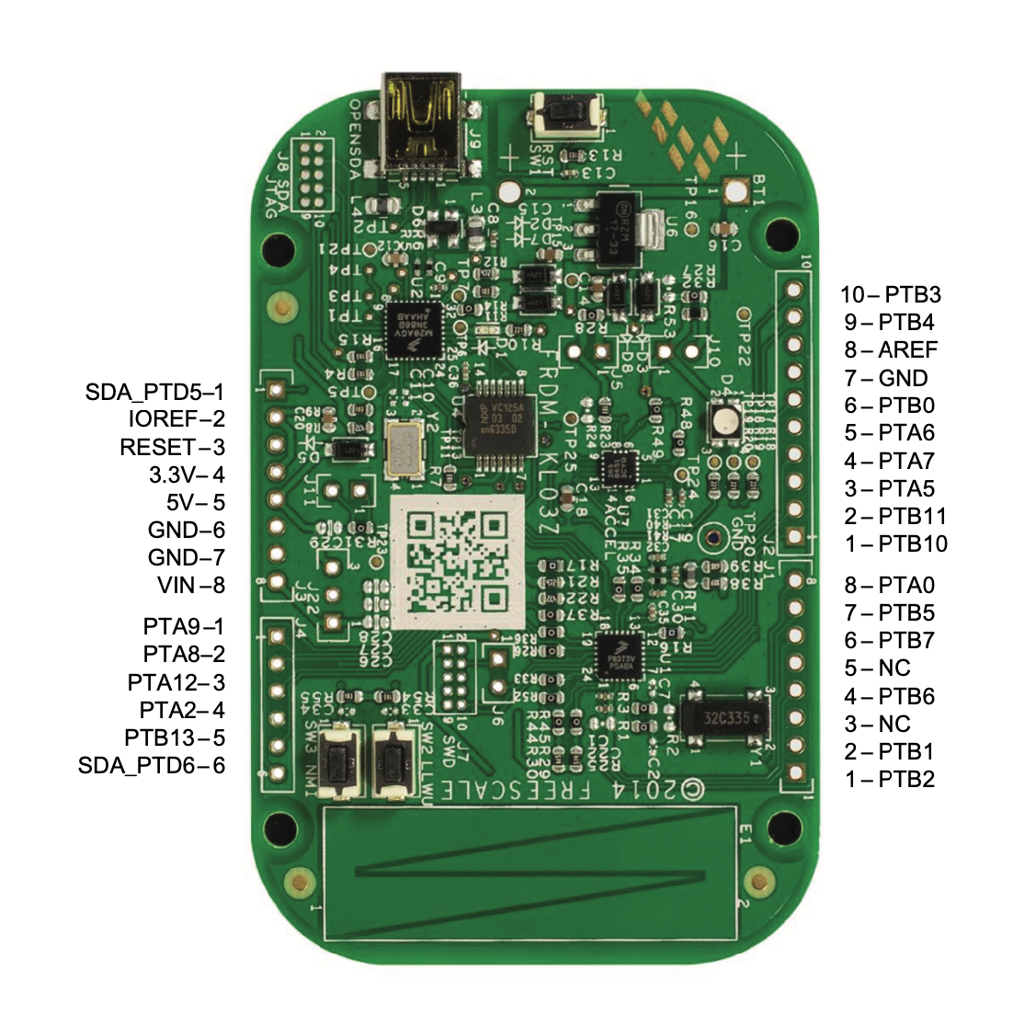
Pin Name | Group | Pin | Use | Mux mode
SDA_PTD6 | J4 | 6
PTB13 | J4 | 5 | OLED OCS | GPIO
PTA2 | J4 | 4
PTA12 | J4 | 3 | OLED DC | GPIO
PTA8 | J4 | 2 | SPI MOSI | ALT3
PTA9 | J4 | 1 | SPI_SCK | ALT3
VIN | J3 | 8
GND | J3 | 7 | GND Rail
GND | J3 | 6 | GND rail
5V | J3 | 5 | 5V rail
3.3V | J3 | 4
IOREF | J3 | 2
SDA_PTD5 | J3 | 1
PTB3 | J2 | 10 | OLED RESET | GPIO
PTB4 | J2 | 9
AREF | J2 | 8
GND | J2 | 7
PTB0 | J2 | 6 | I2C_SCL | ALT4
PTA6 | J2 | 5
PTA7 | J2 | 4
PTA5 | J2 | 3
PTB11 | J2 | 2
PTB10 | J2 | 1
PTA0 | J1 | 8
PTB5 | J1 | 7
PTB7 | J1 | 6
NC | J1 | 5
PTB6 | J1 | 4
NC | J1 | 3
PTB1 | J1 | 2 | I2C_SDA | ALT4
PTB2 | J1 | 1

Left
Right

